00000
TISU PAPER COMPANY LTD.
TS 13 ROAD ,TIEN SON INDUSTRIAL ZONE TU SON DIST,BAC NINH PROVINCE

TEL : (84)241714288 FAX : (84)241714491

PACKING LIST
 |  |  |  |  |  | SHIP DATE : | 8/1/2020
ORDER NO : | HVN19183

TO: | A Bắc
FM: | Edna

Mark & Nos. | C/S |  | Description of Goods | Ctns/Pallet | CTNS | PCS | N.W.(kgs) | G.W.(kgs) | Meas(cbm)
Vở may gáy | HVN19183 |  | #09343
Số trang: 100 |  | 2 | COMPBOOK | 156 | 312 | 3,744 | 3.70 | 3.98 | 0.007
KT: 24.7*19cm | 2 | slip sheet | 21*13*26.5cm |  | 312 | 3,744 | 1154.40 | 1242 | 2.257
Bìa nhựa PP |  |  | 16-Sep-19

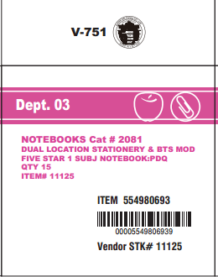
 |  |  | PO#2616532987
 | HVN19181 |  | #11125
 |  | 1 | NOTE BOOK | 72 | 72 | 1080 | 7.49 | 7.94 | 0.017
 | 1 | slip sheets | 29.6x18.5x29.2CM |  |  | 1080 | 539.28 | 571.50 | 1.221

 |  |  | #PO 2616534588

 |  |  | vở lò xo, bìa PP,100 trang, 27.9x21.5cm

TOTAL | 3 |  |  |  | 384 | 4,824 | 1693.68 | 1,813.26 | 3.48 | 散货

